Example_paper_Emilio
Reference paper | International Journal of Hydrogen Energy 94 (2024) 510–524
 | TDS Simulator: A MATLAB App to model temperature-programmed hydrogen desorption - ScienceDirect
Description | TDS, Oriani assumption, 1 trap
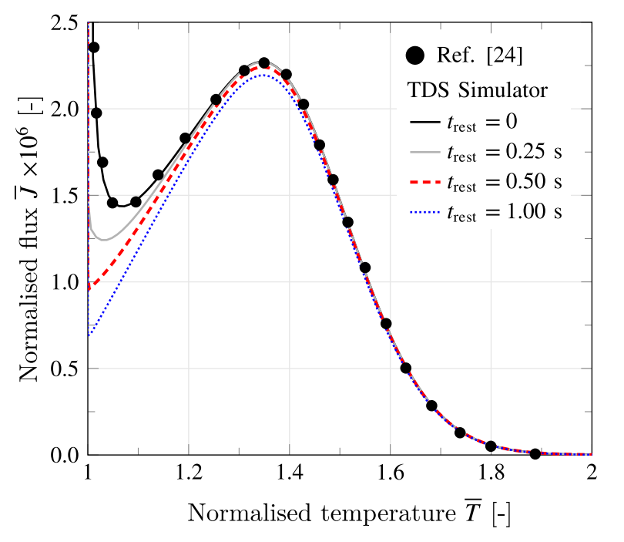
 | FEA
1.0014827467 | 5.630507E+00
1.0014872233 | 5.621885E+00
1.0014918 | 5.613304E+00
1.00149638 | 5.604764E+00
1.0015009567 | 5.596263E+00
1.0015055333 | 5.587803E+00
1.00151011 | 5.579382E+00
1.0015145867 | 5.571000E+00
1.0015195733 | 5.562026E+00
1.0015244533 | 5.553096E+00
1.0015293367 | 5.544211E+00
1.00153422 | 5.535370E+00
1.0015392033 | 5.526573E+00
1.0015440867 | 5.517819E+00
1.00154897 | 5.509108E+00
1.0015538533 | 5.500439E+00
1.0015588367 | 5.491813E+00
1.00156372 | 5.483229E+00
1.0015686033 | 5.474687E+00
1.0015734867 | 5.466185E+00
1.00157847 | 5.457725E+00
1.0015833533 | 5.449305E+00
1.0015882367 | 5.440926E+00
1.00159312 | 5.432587E+00
1.0015981033 | 5.424287E+00
1.0016029867 | 5.416027E+00
1.00160787 | 5.407805E+00
1.0016127533 | 5.399623E+00
1.0016177367 | 5.391479E+00
1.00162262 | 5.383373E+00
1.00162791 | 5.374701E+00
1.0016332 | 5.366071E+00
1.0016383867 | 5.357485E+00
1.0016436767 | 5.348942E+00
1.0016489667 | 5.340441E+00
1.0016542567 | 5.331982E+00
1.0016595467 | 5.323565E+00
1.0016648367 | 5.315188E+00
1.0016701267 | 5.306853E+00
1.0016754167 | 5.298559E+00
1.0016806033 | 5.290305E+00
1.0016858933 | 5.282091E+00
1.0016911833 | 5.273916E+00
1.0016964733 | 5.265781E+00
1.0017017633 | 5.257685E+00
1.00170705 | 5.249628E+00
1.00171234 | 5.241609E+00
1.00171763 | 5.233629E+00
1.00172282 | 5.225686E+00
1.00172811 | 5.217780E+00
...
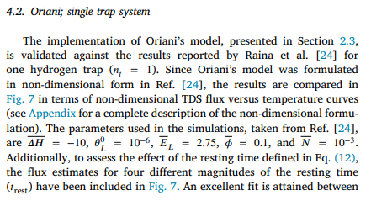
Parameters
T0 | 300 | K
D0 | 0.0723 | mm²/s
R | 8314.5 | N*mm/(mol*K)
Nl | 5.10E+20 | sites/mm³
Theta_L | 1.00E-06
C_L | 5.10E+14 | H atoms/mm³
N_T_bar | 1.00E-03
N_T | 5.10E+17
Delta H_bar | -1.00E+01
Delta H | -2.49E+07 | mJ/mol
E_L_bar | 2.75
E_L | 6.86E+06 | mJ/mol
T_bar_max | 2
T_max | 600 | K
Thickness | 1 | mm
Phi_bar | 0.1
Phi | 2.169 | K/s
Heating time | 138.31258645 | s

Height: | 0.02 | mm

Chart1
 | FEA |  | Ref. data
1 | -5.588648E-15 | 1.025 | 1.687
1.0000001033 | 8.951624E+00 | 1.05 | 1.453
1.0000001033 | 9.044346E+00 | 1.094 | 1.453
1.0000002033 | 9.136642E+00 | 1.139 | 1.614
1.0000004067 | 9.319562E+00 | 1.192 | 1.824
1.00000061 | 9.678970E+00 | 1.255 | 2.05
1.0000010167 | 1.015196E+01 | 1.308 | 2.211
1.0000014233 | 1.061443E+01 | 1.349 | 2.276
1.00000183 | 1.106687E+01 | 1.394 | 2.195
1.00000234 | 1.166353E+01 | 1.428 | 2.017
1.0000028467 | 1.224400E+01 | 1.458 | 1.792
1.0000033567 | 1.280926E+01 | 1.511 | 1.34
1.0000042733 | 1.366341E+01 | 1.589 | 0.742
1.0000050867 | 1.448639E+01 | 1.63 | 0.5
1.0000059 | 1.528086E+01 | 1.677 | 0.291
1.0000068167 | 1.610465E+01 | 1.736 | 0.129
1.00000773 | 1.690096E+01 | 1.794 | 0.05
1.00000834 | 1.748565E+01
1.0000090533 | 1.805666E+01
1.0000095633 | 1.850865E+01
1.00001007 | 1.895260E+01
1.00001068 | 1.938889E+01
1.0000110867 | 1.973649E+01
1.0000114933 | 2.007947E+01
1.0000120033 | 2.041798E+01
1.00001241 | 2.075219E+01
1.0000128167 | 2.102927E+01
1.0000131233 | 2.130351E+01
1.00001353 | 2.157498E+01
1.0000138333 | 2.184377E+01
1.00001424 | 2.210995E+01
1.00001465 | 2.237360E+01
1.0000149533 | 2.259350E+01
1.00001526 | 2.281169E+01
1.0000155633 | 2.302821E+01
1.00001587 | 2.324309E+01
1.0000161733 | 2.345636E+01
1.00001648 | 2.366807E+01
1.0000167833 | 2.387825E+01
1.00001709 | 2.408692E+01
1.0000173967 | 2.429412E+01
1.0000176 | 2.446868E+01
1.0000179033 | 2.464221E+01
1.0000181067 | 2.481474E+01
1.0000184133 | 2.498628E+01
1.0000187167 | 2.515685E+01
1.00001892 | 2.532648E+01
1.0000192267 | 2.549516E+01
1.00001943 | 2.566292E+01
1.0000197333 | 2.582977E+01
...

